Coil Inductance
Calculation of coil inductance

Effect of Shield |  |  | https://coil32.net/shield-inductance.html

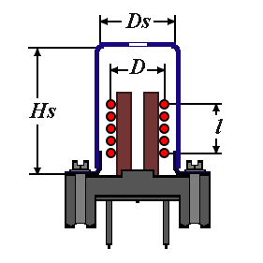
 |  |  |  | where:
 |  |  |  | Ls - inductance of the shielded coil;
 |  |  |  | L0 - inductance of the coil without shield;
 |  |  |  | Ds - diameter of shield;
 |  |  |  | H - height of shield;
 |  |  |  | D - diameter of winding;
 |  |  |  | L - length of winding;

D=9 | 9 | L0 | 66.3
D=(22 +15)/2= 18 | 18
l=6 | 6 | Ls | 56.933755165
Hs= 22 | 22
Q ratio |  |  | 0.85872933884

Optimising Q of coil |  |  | https://www.g3ynh.info/zdocs/magnetics/appendix/optQ_hb9dfz.html

 |  |  | https://coil32.net/theory/faq.html

Straight wires

Coil 64 |  |  | https://coil32.net/download.html

Wheeler formula for linductance |  |  |  | L = (d2n2) / (l + 0.45d) [μH]

 |  |  | https://www.qsl.net/in3otd/cg_readme.html

 |  |  | https://hamwaves.com/inductance/en/index.html#input

 |  |  | https://g3ynh.info/zdocs/magnetics/SolenoidZ.pdf

Q Factor estimation papers |  |  | https://g3ynh.info/zdocs/magnetics/appendix/hb9dfz/Mathcad_Coil_calc_w_Medhurst_et_G3YNH_131014.pdf

 |  |  | https://g3ynh.info/zdocs/magnetics/appendix/hb9dfz/Mathcad_Algo_for_opt_coil_131023.pdf

 |  |  | https://g3ynh.info/zdocs/magnetics/appendix/hb9dfz/Mathcad_hunt_for_Optimum_131011.pdf

YDelta
To be used for stray C from 50 ohm tracks

Y-Delta Transformation |  |  |  | Circuit Diagram
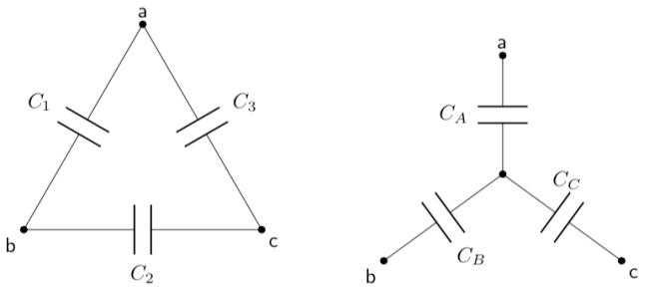
Delta-Y Transformation

Delta | C1 | 0.66666666667 | 0.08 |  | 4.9
 | C2 | 0.41666666667 | 0.335 |  | 0.333
 | C3 | 0.66666666667 | 0.34 |  | 4.9

Wye | Ca | 2.4 | 0.50119402985 |  | 81.902102102
 | Cb | 1.5 | 0.49382352941 |  | 5.566
 | Cc | 1.5 | 2.09875 |  | 5.566

